Crates
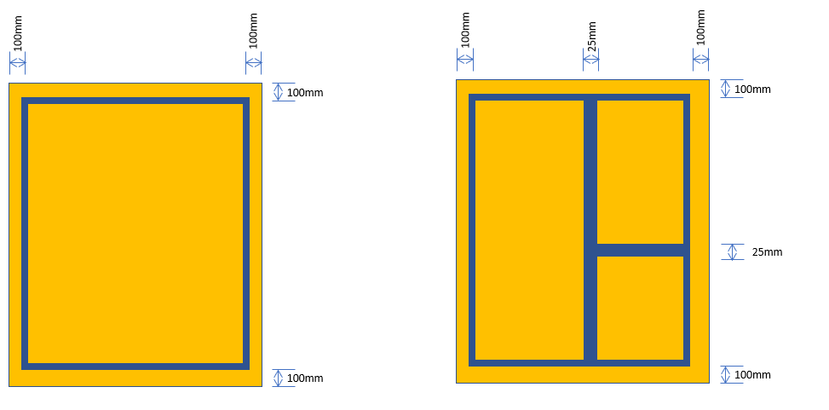
 |  |  | Unit size |  | Outside measurements crate |  |  | Max quantity |  |  |  | Custom crate size
crateName | crateDescription | crateType | maxLongSide | maxShortSide | crateLength | crateWidth | crateHeight | CP80 | CP100 | Double glass | Triple glass | Unit lenght min | Unit lenght max | Custom Lenght crate
Crate 1 | Horizontal stacking crate - Standard window frames | Stock | 3650 | 2100 | 3950 | 2300 | 2550 | 12 | 10
Crate 2 | Large size window frames skid | Stock/Order | 3700 | 2790 | 3950 | 2300 | 2550 | 4 | 3 |  |  | 3701 | 5000 | Unit + 250
Crate 3 | Standard small glass crate | Stock | 1200 | 1000 | 1400 | 1150 | 1280 |  |  | 18 | 10
Crate 4 | Standard A-frame glass crate | Order | 4500 | 2150 | 4750 | 1150 | 2550 |  |  | 14 | 8 | 2051 | 5000 | Unit + 250
Crate 5 | A-frame small | Order | 2050 | 2150 | 2300 | 1150 | 2550 |  |  | 14 | 8 | 1201 | 2050
Crate 6 | Extreme size glass crate | Order | 5000 | 2800 | 5250 | 1800 | 3150 |  |  | 2 | 2 |  | 5000 | Unit + 250

Crate 1 margins:
- Outside margin 100mm width/lenght per layer
- Multiple frames in same layer: margin 25mm per touch side total (Foam = 2*8mm + 9mm error margin).
Crate 1 layer spacers:
- 1 x 100 * 80mm high timber
- 2 x 100 * 32mm high board
- And repeat that sequence for the layers above
Sorting logic frames:
- Try to fit in standard size Crate 1
- If too large: try to fit on standard size Crate 2
- If too large: try to fit on custom size Crate 2 | Custom crate size = largest unit + 250mm
- Longest side shouldn't exceed 5000mm
Sorting logic glass:
- Try to fit in Standard Crate 3
- If too large, try to fit in Custom crate 5 (dynamic size, longest side + 250mm - max 2300mm)
- If too large, try to fit in Custom crate 4 (dynamic size, longest side + 250mm - max 5250mm)
- If too large, try to fit in Extreme size glass crate (dynamic size, longest side + 250mm - max 5250mm)

images
CP80 frame for double glass
Wrapping foam 8mm
Total thickness 88mm
CP100 frame for triple glass
Wrapping foam 8mm
Total thickness 108mm
Common glass thickness double glass:
28mm (Tempered)
32mm (Laminated)
Common glass thickness triple glass:
48mm (Tempered)
48,8mm (Laminated)
Crate 1 | Frame crate | 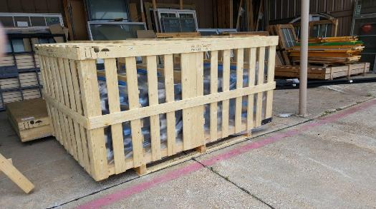
Crate 2 | Frame Skid | 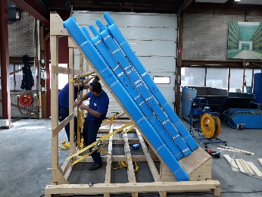 | 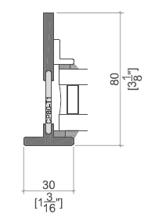 | 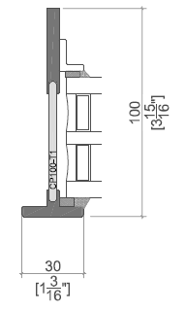
Crate 3 | Glass crate | 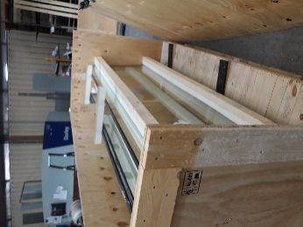 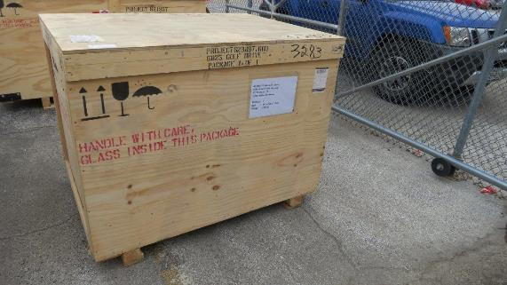
Crate 4, 5 | Glass crate A-frame | 